About
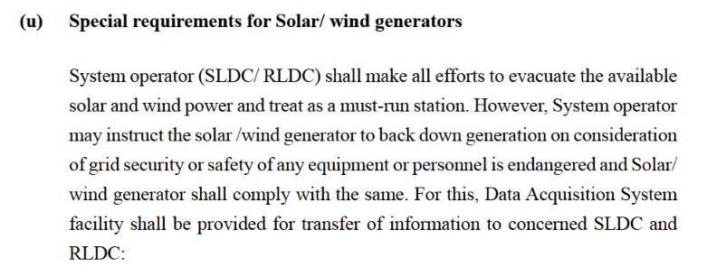
BGDPbES BAU Guaranteed Dispatch Percentage by Electricity Source

Source:
Must-run status for wind and solar
2010
Indian Electricity Grid Code (IEGC)
http://www.cercind.gov.in/2016/regulation/9.pdf
Sec 5.2 (u), pp 138 - Must-run status for wind and solar
Sec 6.5 (11). Pp 176 - must-run for all RE except Biomass and Cogen

Notes:
This variable is used to specify the percentage of potential electricity output from each
source that is guaranteed (e.g. dispatched before any least-cost dispatching
begins) in the BAU case.

Some dispatch from peaking plants (natural gas peakers and petroleum-fired plants)
is guaranteed in the model, to provide for grid stability and regulation needs.
Biomass source is also guaranteed to ensure it is dispatched based on price in the model.
The model will dispatch these plants in the guaranteed dispatch section by the larger
of the default amount or the amount specified here by the user.

For India, we dispatch 100% to wind and solar as per must-run status
accorded to these sources in IEGC.

